HOME PAGE
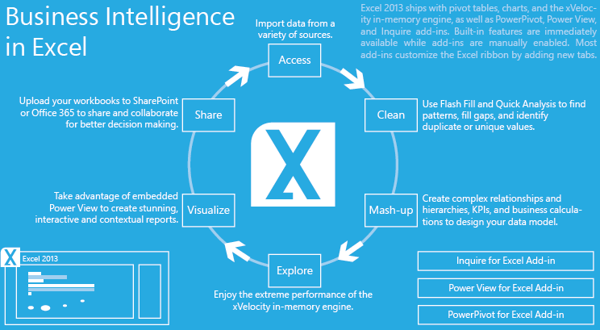



NON-GCC IMPLEMENTATION FOR ALMARAI JV THROUGH MSBI

INPUT FORM 1
INPUT FORM 2

REPORT 1
REPORT 2

